Cogen
Source: | https://iea-etsap.org/E-TechDS/PDF/E04-CHP-GS-gct_ADfinal.pdf
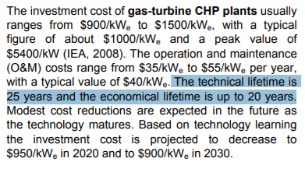
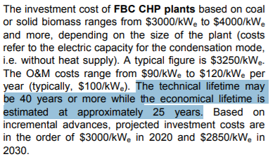

 | Gas Turbine | FBC | Average
 | 25 | 40 | 32.5

